Definitions
Prog. Type |  |  |  | Inventory Type |  | Bed Type |  |  | Target Pop. A |  |  |  | AHAR/PIT
ES | Emergency Shelter |  | ES : Emergency Shelter | C | Current | F | Facility | F - Facility | None | None |  | None | Yes
TH | Transitional Housing |  | TH : Transitional Housing | N | New | V | Voucher | V - Voucher | SM | Single Male (18+) |  | SM: Single Male (18+) | No
PSH-D | PSH (Disability Required for Entry) |  | PSH-D : PSH (Disability Required for Entry) | U | Under Development | O | Other | O - Other | SF | Single Female (18+) |  | SF: Single Female (18+) | DK
PH | Housing Only (No Services) |  | PH : Housing Only (No Services) |  |  |  |  |  | SMF | Single Male or Female (18+) |  | SMF: Single Male or Female (18+)
*PH | Housing with Services (no disability required) |  | *PH : Housing with Services (no disability required) |  |  |  |  |  | CO | Couples Only, No Children |  | CO: Couples Only, No Children
SH | Safe Haven |  | SH : Safe Haven |  |  |  |  |  | HC | Households with Children |  | HC: Households with Children | HOPWA
CA | Coordinated Assessment |  | CA : Coordinated Assessment |  |  |  |  |  | SMHC | SM and Households with Children |  | SMHC: SM and Households with Children | Master Leasing
PATH | PATH |  | PATH : PATH | Site Type |  | Funding Source |  |  | SFHC | SF and Households with Children |  | SFHC: SF and Households with Children | Permanent Housing Facilities
RRH | Rapid Re-Housing |  | RRH : Rapid Re-Housing | Multi site |  | HUD |  |  | SMF+HC | SM, SF and Households with Children |  | SMF+HC: SM, SF and Households with Children | Permanent Housing Facilities - Federal Fund
RHY | Runaway Homeless Youth |  | RHY : Runaway Homeless Youth | Single site, multi buildings |  | MHDC |  |  | YM | Unaccompanied Young Males Under 18 |  | YM: Unaccompanied Young Males Under 18 | Permanent Housing Placement Services
HP | Homeless Prevention |  | HP : Homeless Prevention | single site, single building |  | UGovt Jo Co |  |  | YF | Unaccompanied Young Females Under 18 |  | YF: Unaccompanied Young Females Under 18 | Receiving NO HOPWA housing Assistance
TH & RRH | Joint TH & PH-RRH |  | TH & RRH : Joint TH & PH-RRH |  |  | RHY/HHS |  |  | YMF | Unaccompanied Male and Female Under 18 |  | YMF: Unaccompanied Male and Female Under 18 | Short-Term Rent, Mortgage and Utility Assistance
SO | Street Outreach |  | SO : Street Outreach | Housing Type |  | ESG |  |  |  |  |  |  | Supportive Services Only
SSO | Supportive Services Only |  | SSO : Supportive Services Only | Dorm/Hotel/Motel |  | KCMO ESG |  |  |  |  |  |  | Tenant Based Rental Assistance
Non-HUD | Not a HUD HMIS Project |  | Non-HUD : Not a HUD HMIS Project | Shelter/Barracks |  | Private |  |  |  |  |  |  | Transitional/Short-Term Housing Faci-Federal Fund
DS | Day Shelter |  | DS : Day Shelter | NA |  | Mo Dept of Corrections |  |  | Target Pop. B |  |  |  | Transitional/Short-Term Housing Facilities
 |  |  |  | Shared Housing |  | Municipal |  |  | Domestic Violence
 |  |  |  | Single Room Occupancy |  | DMHAS |  |  | HIV |  | Family or Individual
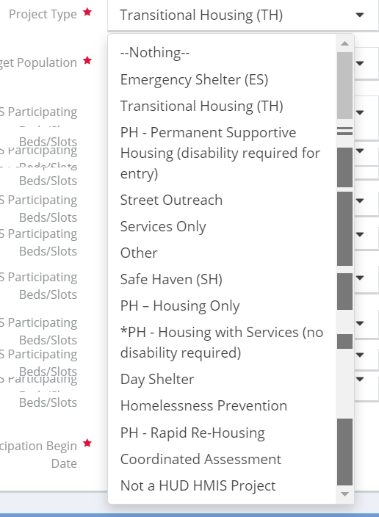
 |  |  |  | Single Apartment |  | SAMSHA |  |  | Not Applicable |  | Family
CoC Code |  |  |  | Single Home/Townhouse/dulex |  | VA |  |  |  |  | Individual
KS-505 | Johnson County |  |  |  |  |  |  |  |  |  | Both Individual or Family
MO-604 | KC Regional |  |  |  |  | Funding Source |  |  | Bed Use
 |  |  |  |  |  | HUD |  |  | Homeless Only (street, ES, car, abondoned building) |  |  |  |  | Federal Partner Funding Programs and Component
State |  |  |  | Housing Status Exception |  | DMHAS |  |  | Not Required to be Homeless |  |  |  |  | HHS:PATH – Street Outreach & Supportive Services Only
KS | Kansas |  |  | Is Project Included in PIT |  | DOH |  |  |  |  |  |  |  | HUD:HOPWA – Permanent Housing (facility based or TBRA)
MO | Missouri |  |  | Yes |  | ESG |  |  |  |  |  |  |  | VA:Grant Per Diem – Clinical Treatment
 |  |  |  | No |  | MHTF |  |  |  |  |  |  |  | HHS:RHY – Transitional Living Program
 |  |  |  |  |  | MoHIP |  |  |  |  |  |  |  | VA: Compensated Work Therapy Transitional Residence
 |  |  |  |  |  | Municipal |  |  |  |  |  |  |  | HUD:Rural Housing Stability Assistance Program
 |  |  |  |  |  | Private |  |  |  |  |  |  |  | HUD:HOPWA – Short-Term Supportive Facility
Setup New Project in HMIS |  | Setup New Project in HMIS |  |  |  | RHY/HHS |  |  |  |  |  |  |  | HUD: CoC - Rapid Re-Housing
Update Existing Project in HMIS with new Grant info |  | Update Existing Project in HMIS with new Grant info |  |  |  | SAMSHA |  |  |  |  |  |  |  | VA:Grant Per Diem – Service Intensive Transitional Housing
 |  |  |  |  |  | VA |  |  |  |  |  |  |  | HUD:HOPWA – Transitional Housing (facility based or TBRA)
 |  |  |  |  |  |  |  |  |  |  |  |  |  | HUD: Pay for Success
 |  |  |  |  |  |  |  |  |  |  |  |  |  | VA: CRS Contract Residential Services
 |  |  |  |  |  |  |  |  |  |  |  |  |  | VA: Supportive Services for Veteran Families
 |  |  |  |  |  |  |  |  |  |  |  |  |  | HUD:HOPWA – Hotel/Motel Vouchers
 |  |  |  |  |  |  |  |  |  |  |  |  |  | HUD:CoC – Safe Haven
 |  |  |  |  |  |  |  |  |  |  |  |  |  | VA:Grant Per Diem – Low Demand
 |  |  |  |  |  |  |  |  |  |  |  |  |  | VA: Community Contract Safe Haven Program
 |  |  |  |  |  |  |  |  |  |  |  |  |  | HUD:HOPWA – Permanent Housing Placement
 |  |  |  |  |  |  |  |  |  |  |  |  |  | HUD:ESG – Homelessness Prevention
 |  |  |  |  |  |  |  |  |  |  |  |  |  | HHS:RHY – Street Outreach Project
 |  |  |  |  |  |  |  |  |  |  |  |  |  | HUD:CoC – Homelessness Prevention (High Performing Comm. Only)
 |  |  |  |  |  |  |  |  |  |  |  |  |  | VA:Grant Per Diem – Hospital to Housing
 |  |  |  |  |  |  |  |  |  |  |  |  |  | HUD:ESG – Street Outreach
 |  |  |  |  |  |  |  |  |  |  |  |  |  | HUD:CoC – Supportive Services Only
 |  |  |  |  |  |  |  |  |  |  |  |  |  | VA:Grant Per Diem – Transition in Place
 |  |  |  |  |  |  |  |  |  |  |  |  |  | HHS:RHY – Basic Center Program (prevention and shelter)
 |  |  |  |  |  |  |  |  |  |  |  |  |  | Non-HUD Funder
 |  |  |  |  |  |  |  |  |  |  |  |  |  | HUD: Public and Indian Housing (PIH) Programs
 |  |  |  |  |  |  |  |  |  |  |  |  |  | HUD:ESG – Rapid Rehousing
 |  |  |  |  |  |  |  |  |  |  |  |  |  | HUD:HOPWA – Housing Information
 |  |  |  |  |  |  |  |  |  |  |  |  |  | HUD:CoC – Single Room Occupancy (SRO)
 |  |  |  |  |  |  |  |  |  |  |  |  |  | HHS:RHY – Maternity Group Home for Pregnant and Parenting Youth
 |  |  |  |  |  |  |  |  |  |  |  |  |  | VA:Grant Per Diem – Bridge Housing
 |  |  |  |  |  |  |  |  |  |  |  |  |  | VA: Domiciliary Care
 |  |  |  |  |  |  |  |  |  |  |  |  |  | HUD:CoC - Youth Homeless Demonstration Program (YHDP)
 |  |  |  |  |  |  |  |  |  |  |  |  |  | HUD:HOPWA – Short-Term Rent, Mortgage, Utility assistance
 |  |  |  |  |  |  |  |  |  |  |  |  |  | HUD:ESG – Emergency Shelter (operating and/or essential services)
 |  |  |  |  |  |  |  |  |  |  |  |  |  | HUD:CoC – Permanent Supportive Housing
 |  |  |  |  |  |  |  |  |  |  |  |  |  | HHS:RHY – Demonstration Project
 |  |  |  |  |  |  |  |  |  |  |  |  |  | HUD:HUD/VASH
 |  |  |  |  |  |  |  |  |  |  |  |  |  | HUD:CoC – Transitional Housing

